Statistical Insights
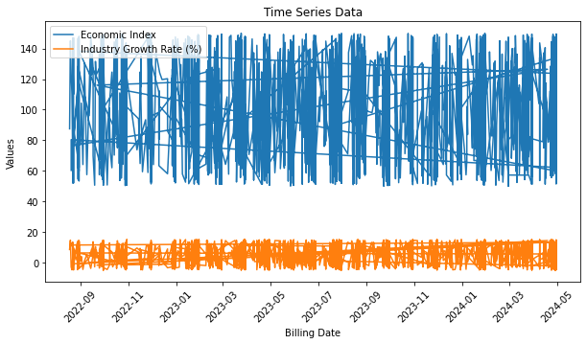
 | 1st Moment |  |  | 2nd Moment |  |  | 3rd moment |  |  | 4th moment |  |  | Graphical Representation
 | Univariate |  |  |  |  |  |  |  |  |  |  |  |  |  |  |  |  |  |  |  |  |  |  |  | Bivariate |  |  |  |  |  |  |  |  |  |  |  | Multivariate
 | mean/median/mode | Statistical Insight | Data Preprocessing | variance/stdev/range | Statistical Insight | Data Preprocessing | Skewness | Statistical Insight | Data Preprocessing | Kurtosis | Statistical Insight | Data Preprocessing | Histogram | Statistical Insight | Data Preprocessing | Boxplot | Statistical Insight | Data Preprocessing | Timeplot | Statistical Insight | Data Preprocessing | Lag Plot | Statistical Insight | Data Preprocessing | Scatter plot (2 columns are continuous)/other Discrete data plots | Statistical Insight | Data Preprocessing | Stationarity | Statistical Insight | Data Preprocessing | Random Walk | Statistical Insight | Data Preprocessing | Hypothesis Testing | Statistical Insight | Data Preprocessing | Clustering | Statistical Insight | Data Preprocessing | 80/20 Pareto chart | Statistical Insight | Data Preprocessing | World Map | Statistical Insight | Data Preprocessing | Additional Insights
Economic Index | 99.93//100.48//126.1 | mean < median < mode, the data is negatively skewed (left-skewed). | Handling missing values(median imputations), outliers(Clipping or Capping), and ensuring the data's normality(Standardization, mean noramlizing) | 848.63//29.1313//50 to 149.97 | High Variance indicats that the Data points are spread out more widely from the mean, showing more variability | Standardize or Normalize Transformations Handle Outliers | -0.0105 | Skewness is very close to zero, the distribution is almost perfectly symmetric. The negative sign indicates a slight left skew, but it is so minimal that it might not have a noticeable impact on the data analysis. | No Transformation Needed and no outliers | -1.212 | Indicates that the distribution is platykurtic, which means it has a flatter peak and thinner tails compared to | 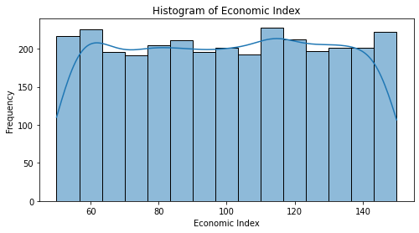 Outliers and Transformation |  | Quickly assess the distribution of a dataset (no outliers) and identify patterns in simple numerical data sets which is almost noraml | Transformations if data not in normal form and if outliers are present then outlier treament | 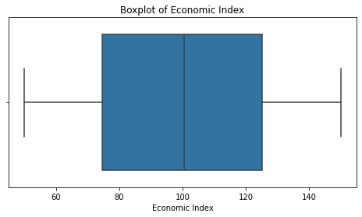 | The line in the center of the box shows where the median of the data lies and a small IQR indicates that the data is closely grouped. No extreme values are present so no outliers and box plot is almost symmetric | Outlier treamtment but no outlier are present | 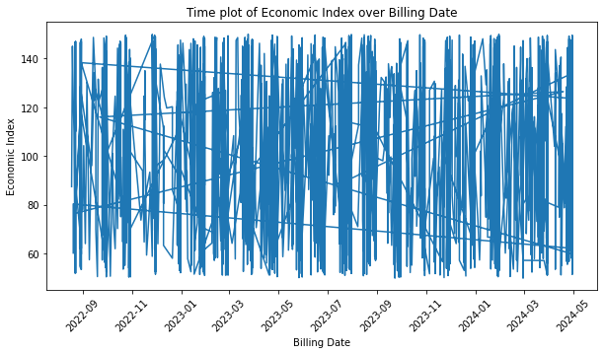 | The graph shows periodic fluctuations, but due to the noise, it's hard to tell if there is any clear seasonality or trend. | he plot has too many fluctuations, suggesting high variability in the data. You can apply rolling averages (e.g., 7-day or 30-day moving average) to smooth the data and observe underlying trends. | 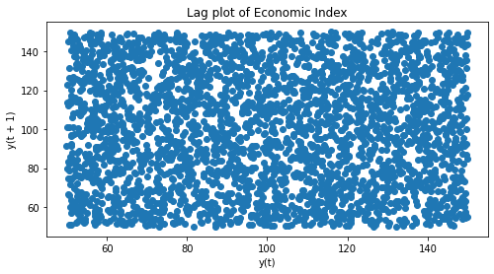 | this lag plot also shows a random distribution of points, suggesting a lack of clear linear relationship or strong autocorrelation between consecutive economic index values. | As the economic index has a large value range (60-140), normalizing or standardizing the data may help in model convergence and improving performance, especially when using machine learning models. | 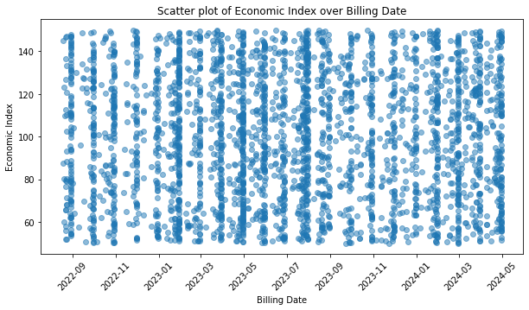 | The economic index values range approximately from 60 to 140, suggesting that the economy or sector being measured experiences wide fluctuations in its performance. | Ensure there are no errors or misentries in the data, such as impossible values .Because of the broad range, consider standardizing the data (subtracting the mean and dividing by the standard deviation) to compare changes over time more easily. |  |  |  | Economic Index: ADF Statistic: -55.687223772797736 p-value: 0.0 Critical Values: 1%: -3.4324652985252477 5%: -2.8624746065409643 10%: -2.567267513861096 |  |  | T-Statistic: -0.0068218400420627864, P-Value: 0.9945574413122509 Fail to reject the null hypothesis: No significant difference found |  |  | 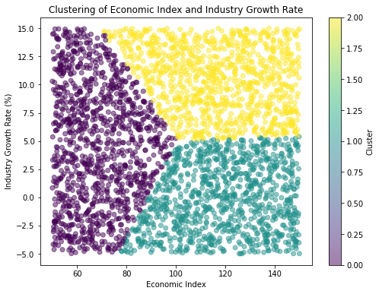 |  | 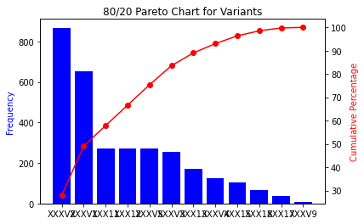
Industry Growth Rate (%) | 4.86347//4.76//3.22 | mean > median > mode, the data is positively skewed (right-skewed) | Handling missing values(mean imputations), outliers( Capping), and ensuring the data's normality(Standardization) | 33.1604//5.758//(-5) to 19.4 | A lower variance indicates that the data points are closer to the mean, suggesting less variability. | Standardize or Normalize Transformations Handle Outliers | 0.0372 | Skewness is very small and close to zero, it suggests that the data is nearly symmetric, with a slight tendency to the right, but not enough to be considered significantly skewed. | The distribution is close to normal(no outliers) . No major transformation is necessary | -1.198 | Indicates that the distribution is platykurtic, which means it has a flatter peak and thinner tails compared to a normal distribution | 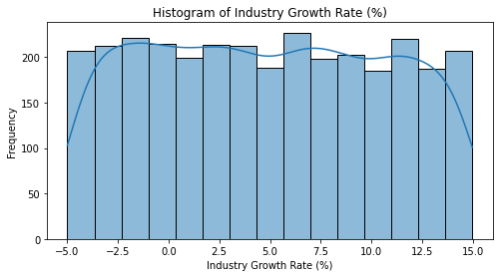 The tails are lighter that is extreme values are less frequent |  | The distribution is almost normal and have no outliers | 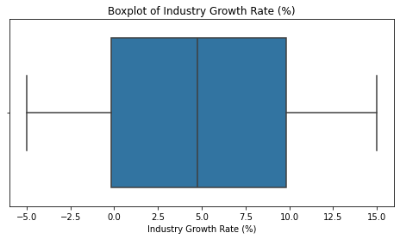 No outliers and No transformation required |  | The line in the center of the box shows where the median of the data lies and large IQR indicates that the data varied . No extreme values are present so no outliers and box plot is almost symmetric | No outliers | 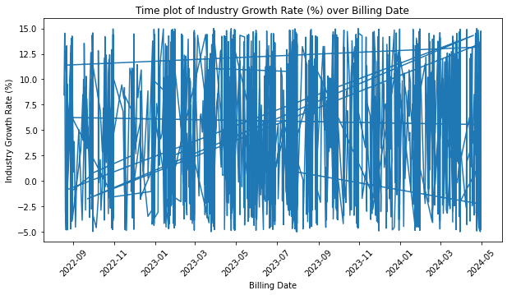 | The plot exhibits extreme fluctuations in the industry growth rate, with rapid oscillations between positive and negative values. This indicates that the industry growth rate is not stable and varies significantly over time. | The plot is highly volatile. Consider applying moving averages or other smoothing techniques (e.g., exponential smoothing) to reduce noise and better visualize the trend. | 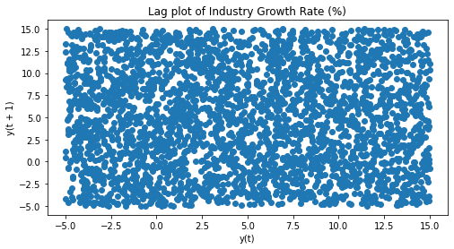 | Random Pattern: The plot appears to have no clear pattern or structure, indicating that the data points are scattered with no obvious autocorrelation. This randomness suggests that the industry growth rate may follow a white noise process or is inherently unpredictable based on its immediate past values. | Since the lag plot suggests randomness, applying smoothing techniques like moving averages or filtering out noise using techniques such as Fourier transforms could help reduce noise and reveal underlying patterns. | 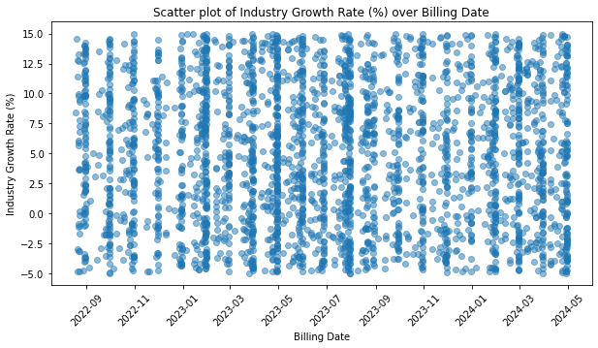 | No clear upward or downward trend can be observed from the scatter plot, indicating that the industry might be experiencing cyclical or irregular growth patterns. | If the variability is too high, consider transforming the data (e.g., using a logarithmic scale) to reduce the effect of extreme values.Applying a rolling average or a moving median might help to identify underlying trends more clearly. |  |  |  | Industry Growth Rate: ADF Statistic: -33.5222523606857 p-value: 0.0 Critical Values: 1%: -3.4324666679033404 5%: -2.862475211361033 10%: -2.5672678358581758

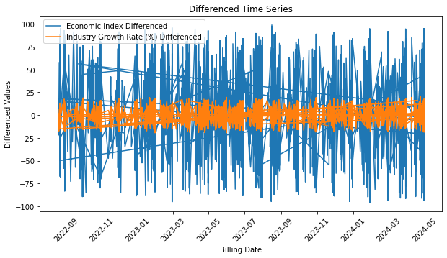
 |  |  |  |  |  |  |  |  |  |  | i

